Sheet1
 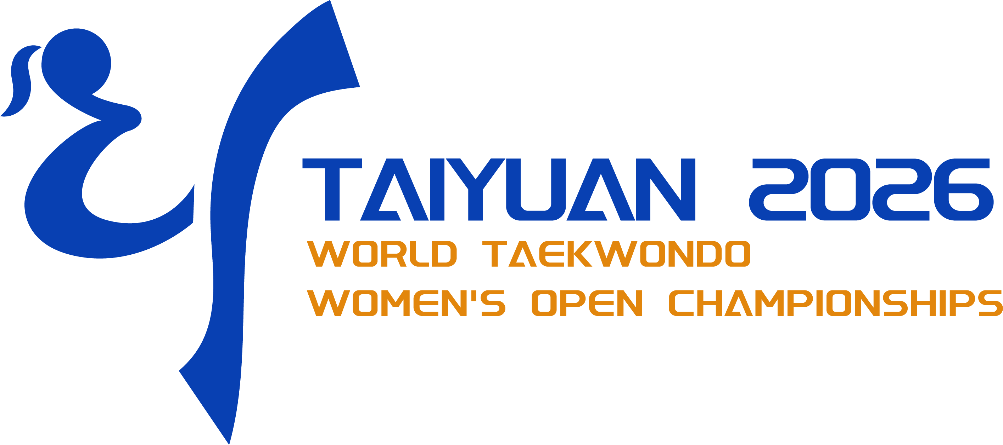 Visa Invitation Letter Request Information Sheet
Taiyuan 2026 World Taekwondo Women’s Open Championships
* Please fill out this form completely and send this form to the Organizing Committee with passport copies via the following E-mail address:
• E-mail: gm-office@jijinsports.com
1) Please put the MNA contact information below:
 | MNA Information
 | Name | Address | E-mail | Contact Number

2) Please put the information below:
Personnal Information |  |  |  |  |  |  | Passpoort Information |  |  | Chinese Embassy Information
No. | Full Name | Gender | Position | Date of birth （dd-mm-yyyy） | Nationality | Contact Number | Passport No. | Date of issue | Date of expirary | Name | Email
1
2
3
4
5
6
7
8
9
10
11
12
13
14
15
16
17
18
19
20
*Note:
1. THE DEADLINE FOR VISA INVITATION LETTER REQUEST IS 13TH AUGUST 2026. 2. Please apply for the Chinese Visa as early as possible! The Organizer CANNOT GUARANTEE ENTRY into China and can only offer assistance. It is the responsibility of each participant to apply and secure the Entry Visa for China.

